NHS offset calculator
Click in this box, then click on the down arrow and select either "Dental" or "Orthondontic"
2021-2022 - NHS income, clawback, abatement and offsetting calculations
Note, we are currently seeking clarificaiton from NHS England in relation to how UDA carry forward should be distributed. The calculations in this spreadsheet are based on our current understanding.
Type of contract (general dental / orthodontic): |  | Dental | Dental | 0 |  | 0 |  | UDA upper | 0.85
 |  |  | Orthodontic |  |  | 0 |  | UDA lower | 0.75
Practice annual UDA target |  |  | UDA |  |  | 0 |  | UOA upper | 0.9
Practice annual contract value |  |  |  |  |  |  |  | UOA lower | 0.85
Practice UDA value |  |  |  |  |  |  |  |  | 0.75
UDA carry forward from 2020-2021
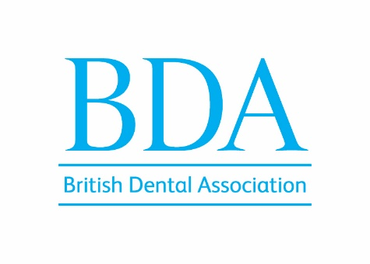
 | H1 | Q3 | Q4
Normal practice UDA target
Practice UDA performance
Percentage UDA before adjustments

UDAs added from carry forward
Adjustments to UDA from offsetting
Udjusted UDA performance
Percentage UDAs after adjustments |  |  |  |  | Version 4.2 (23 August 2022)

Threshold for full payment | 60% | 65% | 85%
Threshold met?
Minimum threshold | 36% | 52% | 75%
Threshold met?

UDAs to clawback
Value of clawback
UDAs subject to adjustment
Value of adjustment
Clawback + adjustment
NHS payment for first half
Total UDAs performed and paid for
Total NHS clawback and abatement
Total NHS payment

Benefit to practice of offsetting:
Benefit to practice from carry forward

Reduced income if even distribution of carry forward across year |  |  |  |  |  |  | f
 |  |  |  |  |  |  |  |  | FALSE
This spreadsheet is given to members as a privilege of membership. It is not to be shared outside of the practice. © British Dental Association 2021-22

This spreadsheet is designed to give BDA members an idea of practice NHS income based on practice NHS performance in the year 2021-2022. It is based on our interpretation of NHS guidance. Whilst we have tried to ensure this spreadsheet is accurate and correct, we cannot be responsible for any errors and we encourage members to check figures with the BSA before making important decisions for the practice. We are hoping for clarification from NHS England on some points that may affect the calculations in this spreadsheet.

